Sheet1
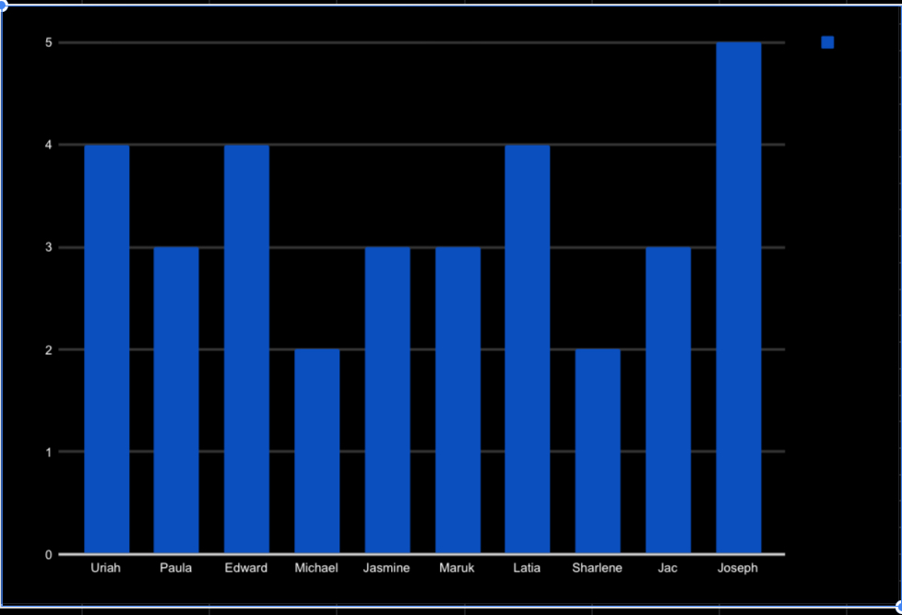
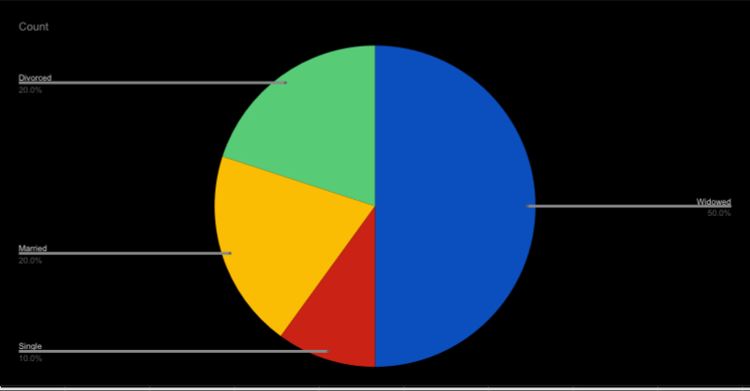
3427 | Uriah | Bridges | 20-Sep-19 |  | Production Technician I | Peter Oneill | uriah.bridges@bilearner.com | CCDR | Active | Contract | Zone C | Temporary | Unk |  | Production | Finance & Accounting | 1969-10-07 | MA | Accounting | Female | 34904 | White | Widowed | Fully Meets | 4
3428 | Paula | Small | 11-Feb-23 |  | Production Technician I | Renee Mccormick | paula.small@bilearner.com | EW | Active | Contract | Zone A | Part-Time | Unk |  | Production | Aerial | 1965-08-30 | MA | Labor | Male | 6593 | Hispanic | Widowed | Fully Meets | 3
3429 | Edward | Buck | 10-Dec-18 |  | Area Sales Manager | Crystal Walker | edward.buck@bilearner.com | PL | Active | Full-Time | Zone B | Part-Time | Unk |  | Sales | General - Sga | 1991-10-06 | MA | Assistant | Male | 2330 | Hispanic | Widowed | Fully Meets | 4
3430 | Michael | Riordan | 21-Jun-21 |  | Area Sales Manager | Rebekah Wright | michael.riordan@bilearner.com | CCDR | Active | Contract | Zone A | Full-Time | Unk |  | Sales | Finance & Accounting | 1998-04-04 | ND | Clerk | Male | 58782 | Other | Single | Fully Meets | 2
3431 | Jasmine | Onque | 29-Jun-19 |  | Area Sales Manager | Jason Kim | jasmine.onque@bilearner.com | TNS | Active | Contract | Zone A | Temporary | Unk |  | Sales | General - Con | 1969-08-29 | FL | Laborer | Female | 33174 | Other | Married | Fully Meets | 3
3432 | Maruk | Fraval | 17-Jan-20 |  | Area Sales Manager | Sheri Campos | maruk.fraval@bilearner.com | BPC | Active | Contract | Zone B | Full-Time | Unk |  | Sales | Field Operations | 1949-04-03 | CT | Driver | Male | 6050 | Black | Married | Fully Meets | 3
3433 | Latia | Costa | 6-Apr-22 | 3-Jul-23 | Area Sales Manager | Jacob Braun | latia.costa@bilearner.com | WBL | Active | Full-Time | Zone B | Temporary | Involuntary | Me see picture nature degree benefit. | Sales | General - Eng | 1942-07-01 | CA | Technician | Female | 90007 | Hispanic | Divorced | Exceeds | 4
3434 | Sharlene | Terry | 6-Nov-20 | 29-Jan-23 | Area Sales Manager | Tracy Marquez | sharlene.terry@bilearner.com | CCDR | Active | Contract | Zone C | Full-Time | Involuntary | Blue community type skill story. | Sales | Engineers | 1957-03-07 | OR | Engineer | Female | 97756 | White | Divorced | Fully Meets | 2
3435 | Jac | McKinzie | 18-Aug-18 |  | Area Sales Manager | Sharon Becker | jac.mckinzie@bilearner.com | NEL | Active | Contract | Zone B | Part-Time | Unk |  | Sales | Executive | 1974-05-15 | TX | Executive Assistant | Male | 78789 | Black | Widowed | Exceeds | 3
3436 | Joseph | Martins | 21-Jan-22 | 29-Jun-23 | Area Sales Manager | George Jenkins | joseph.martins@bilearner.com | BPC | Active | Part-Time | Zone B | Temporary | Resignation | Summer personal bag. | Sales | Engineers | 1949-11-11 | TX | Engineer | Male | 78207 | Asian | Widowed | Fully Meets | 5

